Sheet1
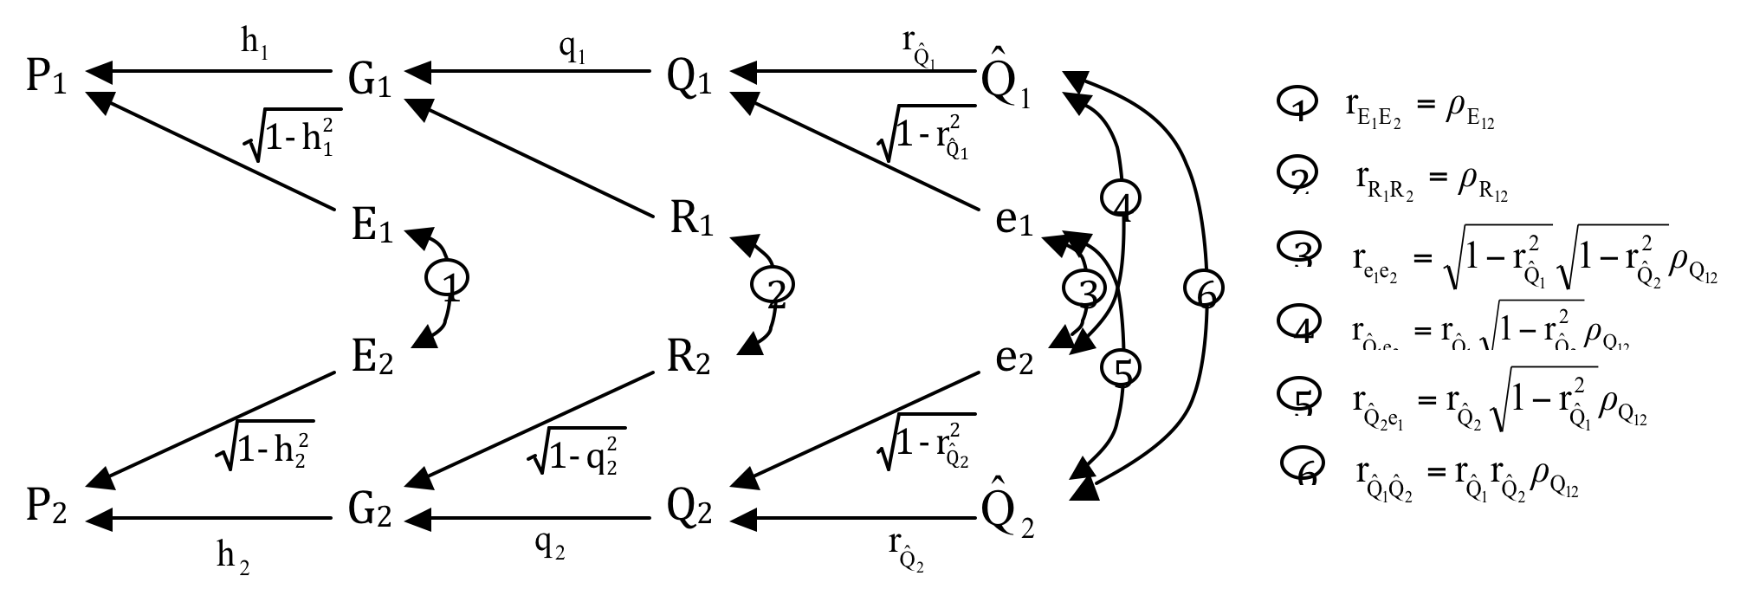
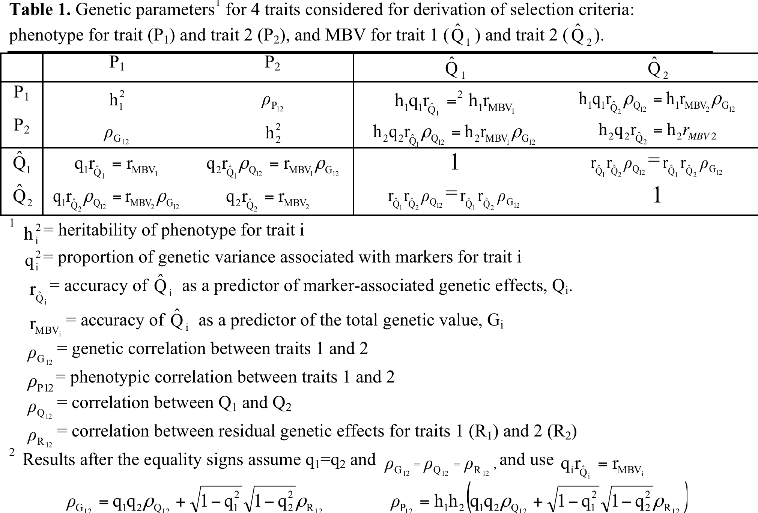
Converting selection on MBV and phenotype into a multiple-trait problem.
Based on Dekkers (2007, JABG) |  |  |  |  |  |  |  | rp | h.r
 |  |  | Heritability (diag), rg (below), rp (above)
h2_1 | 0.3 |  | P_1 | P_2 | M_1 | M_2
h2_2 | 0.3 | P_1 | 0.300 | -0.440 | 0.438 | -0.131
rG_12 | -0.3 | P_2 | -0.300 | 0.300 | -0.131 | 0.438
rE_12 | -0.5 | M_1 | 0.800 | -0.240 | 1.000 | -0.217
rMBV_1 | 0.8 | M_2 | -0.240 | 0.800 | -0.217 | 1.000 |  | path
rMBV_2 | 0.8 |  |  |  |  |  | corr(MBV2,P1) | Qhat2,Q2,G2,G1,P1 = |  | rqhat2.q2.rG12.h1 = rMBV2.h1.RG
rQhat_1 | 0.85 |  |  |  |  |  | or | Qhat2,Q2,Q1,G1,P1 = |  | rqhat2.rQ12.q1.rG12.h1 ISNOT rMBV2.h1.RG
rQhat_2 | 0.85 |  | rMBV = rQhat * q |  |  |  |  | the second seems wrong, but is listed below, actual formula rMBV2.h1.RG is not wrong
q2_1 | 0.89 |  |  |  |  |  |  | same with corr(MBV1,P2)
q2_2 | 0.89
 |  |  |  |  |  |  | corr(MBV1,MBV2)= | Qhat2,Q2,Q1,G1,P1 =

